Fig. 15
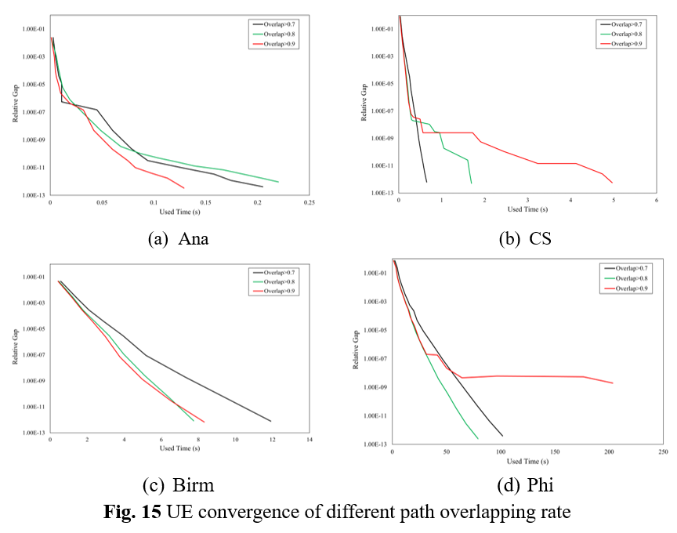
Anaheim |  |  |  |  |  |  |  |  |  |  |  | Chicago-Sketch |  |  |  |  |  |  |  |  |  |  |  | Birmingham |  |  |  |  |  |  |  |  |  |  |  | Philadelphia
Overlap>0.7 |  |  |  | Overlap>0.8 |  |  |  | Overlap>0.9 |  |  |  | Overlap>0.7 |  |  |  | Overlap>0.8 |  |  |  | Overlap>0.9 |  |  |  | Overlap>0.7 |  |  |  | Overlap>0.8 |  |  |  | Overlap>0.9 |  |  |  | Overlap>0.7 |  |  |  | Overlap>0.8 |  |  |  | Overlap>0.9
obj | iter | RG | used time | obj | iter | RG | used time | obj | iter | RG | used time | obj | iter | RG | used time | obj | iter | RG | used time | obj | iter | RG | used time | obj | iter | RG | used time | obj | iter | RG | used time | obj | iter | RG | used time | obj | iter | RG | used time | obj | iter | RG | used time | obj | iter | RG | used time
1296061.719 | 0 | 0.02422060502 | 0.00275 | 1296061.719 | 0 | 0.02422060502 | 0.001000165939 | 1296061.719 | 0 | 0.02422060502 | 0.0009999275208 | 35819126.255 | 0 | 0.8363535125 | 0.03800010681 | 35819126.255 | 0 | 0.8363535125 | 0.02999997139 | 35819126.255 | 0 | 0.8363535125 | 0.02699995041 | 195022.50422 | 0 | 0.04767083985 | 0.5659999847 | 195022.50422 | 0 | 0.04767083985 | 0.4679999352 | 195022.50422 | 0 | 0.04767083985 | 0.4240000248 | 479018440.05 | 0 | 0.7604018871 | 2.281000137 | 479018440.05 | 0 | 0.7604018871 | 1.398999929 | 299802040.3 | 1 | 2.56E-01 | 3.295
1286566.5197 | 1 | 6.13E-04 | 0.0055 | 1286895.1744 | 1 | 9.81E-04 | 0.006 | 1287011.9648 | 1 | 9.66E-04 | 0.004 | 17027370.158 | 1 | 0.0295572025 | 0.08300018311 | 17072553.435 | 1 | 0.03663528028 | 0.06900000572 | 17077958.699 | 1 | 0.03505188234 | 0.07099986076 | 193079.48843 | 1 | 0.00249248225 | 1.426999807 | 193093.33569 | 1 | 0.002605798089 | 1.236999989 | 193097.75409 | 1 | 0.002685525867 | 1.171000004 | 298131944.12 | 1 | 2.37E-01 | 4.637 | 298347945.25 | 1 | 2.40E-01 | 3.523 | 279716349.99 | 2 | 4.87E-02 | 4.774
1286057.0908 | 2 | 3.95E-05 | 0.00825 | 1286144.5508 | 2 | 1.40E-04 | 0.008 | 1286101.6048 | 2 | 8.30E-05 | 0.005 | 16826422.369 | 2 | 0.006190750804 | 0.1160001755 | 16842307.561 | 2 | 0.007233018529 | 0.09299993515 | 16845304.842 | 2 | 0.007992925398 | 0.09299993515 | 192770.45067 | 2 | 0.0002883679129 | 2.091999769 | 192767.64753 | 2 | 0.0002706281496 | 1.786999941 | 192771.28466 | 2 | 0.0003207234675 | 1.68900013 | 279665049.44 | 2 | 4.72E-02 | 6.488 | 279679240.35 | 2 | 4.73E-02 | 5.004 | 274672388.82 | 3 | 1.71E-02 | 6.351
1286033.5013 | 3 | 1.22E-05 | 0.011 | 1286034.0199 | 3 | 6.10E-06 | 0.012 | 1286051.3677 | 3 | 3.32E-05 | 0.008 | 16767807.596 | 3 | 0.001628431082 | 0.1500000954 | 16773374.523 | 3 | 0.002248281353 | 0.1150000095 | 16772221.742 | 3 | 0.002154013647 | 0.1119999886 | 192739.44844 | 3 | 3.86E-05 | 2.885999918 | 192739.14516 | 3 | 3.65E-05 | 2.411999941 | 192739.20647 | 3 | 3.82E-05 | 2.285000086 | 274688722.14 | 3 | 1.70E-02 | 8.357 | 274657484.3 | 3 | 1.70E-02 | 6.61 | 272788617.47 | 4 | 6.61E-03 | 8.041
1286032.2804 | 4 | 2.57E-06 | 0.011 | 1286032.1734 | 4 | 7.89E-07 | 0.019 | 1286033.2659 | 4 | 1.01E-05 | 0.008 | 16753410.86 | 4 | 0.0005368499978 | 0.1790001392 | 16755113.004 | 4 | 0.00056782492 | 0.1339998245 | 16753408.538 | 4 | 0.0005428121889 | 0.1289999485 | 192737.19813 | 4 | 3.12E-06 | 3.921999931 | 192737.13618 | 4 | 3.13E-06 | 3.180999994 | 192737.13334 | 4 | 2.70E-06 | 2.97300005 | 272793618.21 | 4 | 6.91E-03 | 10.209 | 272780216.57 | 4 | 6.92E-03 | 8.247 | 272109848.37 | 5 | 2.98E-03 | 9.638
1286032.1628 | 5 | 5.60E-07 | 0.011 | 1286032.1494 | 5 | 1.18E-07 | 0.03 | 1286032.2553 | 5 | 2.42E-06 | 0.008 | 16749235.201 | 5 | 0.0001243110137 | 0.2160000801 | 16750041.849 | 5 | 0.0001636050776 | 0.1529998779 | 16749478.407 | 5 | 0.0001934470713 | 0.1459999084 | 192737.05699 | 5 | 9.11E-08 | 5.174999952 | 192737.05697 | 5 | 1.18E-07 | 3.963999987 | 192737.05606 | 5 | 6.74E-08 | 3.773000002 | 272104732.07 | 5 | 2.97E-03 | 12.055 | 272099242.37 | 5 | 2.92E-03 | 9.857 | 271835243.5 | 6 | 1.40E-03 | 11.126
1286032.1472 | 6 | 1.49E-07 | 0.045 | 1286032.1426 | 6 | 4.61E-09 | 0.049 | 1286032.1668 | 6 | 6.16E-07 | 0.017 | 16748513.126 | 6 | 3.18E-05 | 0.2540001869 | 16748770.698 | 6 | 5.00E-05 | 0.1729998589 | 16748610.08 | 6 | 5.09E-05 | 0.1629998684 | 192737.05533 | 6 | 1.96E-09 | 7.29399991 | 192737.05533 | 6 | 2.57E-09 | 5.101999998 | 192737.05532 | 6 | 1.36E-09 | 4.973999977 | 271815666.86 | 6 | 1.32E-03 | 14.142 | 271823007.85 | 6 | 1.34E-03 | 11.474 | 271716644.25 | 7 | 6.58E-04 | 12.645
1286032.1427 | 7 | 4.95E-09 | 0.06 | 1286032.1424 | 7 | 3.35E-10 | 0.068 | 1286032.1547 | 7 | 4.47E-07 | 0.018 | 16748442.452 | 7 | 3.39E-06 | 0.2880001068 | 16748451.391 | 7 | 1.37E-05 | 0.1949999332 | 16748465.255 | 7 | 1.16E-05 | 0.1819999218 | 192737.05532 | 7 | 3.93E-11 | 9.608999968 | 192737.05532 | 7 | 5.03E-11 | 6.433000088 | 192737.05532 | 7 | 2.80E-11 | 6.534000158 | 271702189.27 | 7 | 5.87E-04 | 15.986 | 271703735.26 | 7 | 6.19E-04 | 13.039 | 271651950.27 | 8 | 3.06E-04 | 14.518
1286032.1424 | 8 | 2.41E-10 | 0.078 | 1286032.1424 | 8 | 1.05E-10 | 0.087 | 1286032.1467 | 8 | 1.42E-07 | 0.034 | 16748438.641 | 8 | 6.28E-07 | 0.3259999752 | 16748439.125 | 8 | 2.98E-06 | 0.2170000076 | 16748439.247 | 8 | 1.96E-06 | 0.2100000381 | 192737.05532 | 8 | 7.84E-13 | 11.91799998 | 192737.05532 | 8 | 8.53E-13 | 7.746999979 | 192737.05532 | 8 | 6.77E-13 | 8.319000006 | 271642382.6 | 8 | 2.37E-04 | 19.75 | 271644496.97 | 8 | 2.31E-04 | 15.478 | 271635968.15 | 9 | 8.46E-05 | 16.542
1286032.1424 | 9 | 3.22E-11 | 0.094 | 1286032.1424 | 9 | 5.09E-11 | 0.104 | 1286032.1426 | 9 | 6.02E-09 | 0.04 | 16748438.601 | 9 | 1.17E-07 | 0.3619999886 | 16748438.683 | 9 | 4.85E-07 | 0.2409999371 | 16748438.674 | 9 | 4.10E-07 | 0.2339999676 |  |  |  |  |  |  |  |  |  |  |  |  | 271633625.29 | 9 | 4.81E-05 | 22.902 | 271633608.93 | 9 | 4.41E-05 | 17.943 | 271631851.7 | 10 | 1.91E-05 | 20.587
1286032.1424 | 10 | 9.91E-12 | 0.127 | 1286032.1424 | 10 | 2.60E-11 | 0.122 | 1286032.1424 | 10 | 3.02E-10 | 0.061 | 16748438.6 | 10 | 2.94E-08 | 0.4000000954 | 16748438.601 | 10 | 9.24E-08 | 0.2669999599 | 16748438.656 | 10 | 5.99E-08 | 0.2890000343 |  |  |  |  |  |  |  |  |  |  |  |  | 271631622.11 | 10 | 8.60E-06 | 28.654 | 271631521.65 | 10 | 6.65E-06 | 21.96 | 271631398.8 | 11 | 2.16E-06 | 24.96
1286032.1424 | 11 | 3.43E-12 | 0.158 | 1286032.1424 | 11 | 1.34E-11 | 0.139 | 1286032.1424 | 11 | 3.22E-11 | 0.075 | 16748438.6 | 11 | 5.58E-09 | 0.4340000153 | 16748438.6 | 11 | 2.33E-08 | 0.2990000248 | 16748438.616 | 11 | 3.61E-08 | 0.3409998417 |  |  |  |  |  |  |  |  |  |  |  |  | 271631368.38 | 11 | 9.77E-07 | 37.258 | 271631364.06 | 11 | 5.59E-07 | 28.272 | 271631360.24 | 12 | 2.07E-07 | 31.508
1286032.1424 | 12 | 1.20E-12 | 0.174 | 1286032.1424 | 12 | 6.89E-12 | 0.167 | 1286032.1424 | 12 | 8.90E-12 | 0.082 | 16748438.6 | 12 | 8.00E-10 | 0.4700000286 | 16748438.6 | 12 | 2.01E-08 | 0.3309998512 | 16748438.616 | 12 | 2.56E-08 | 0.496999979 |  |  |  |  |  |  |  |  |  |  |  |  | 271631357.99 | 12 | 8.80E-08 | 46.642 | 271631357.47 | 12 | 4.81E-08 | 35.341 | 271631357.78 | 13 | 1.86E-07 | 41.655
1286032.1424 | 13 | 4.19E-13 | 0.205 | 1286032.1424 | 13 | 3.54E-12 | 0.185 | 1286032.1424 | 13 | 3.01E-12 | 0.098 | 16748438.6 | 13 | 1.11E-10 | 0.5160000324 | 16748438.6 | 13 | 1.07E-08 | 0.7159998417 | 16748438.6 | 13 | 2.56E-09 | 0.5669999123 |  |  |  |  |  |  |  |  |  |  |  |  | 271631357.32 | 13 | 7.78E-09 | 56.671 | 271631357.31 | 13 | 3.84E-09 | 42.561 | 271631357.41 | 14 | 2.22E-08 | 50.127
 |  |  |  | 1286032.1424 | 14 | 1.82E-12 | 0.203 | 1286032.1424 | 14 | 1.05E-12 | 0.114 | 16748438.6 | 14 | 2.07E-11 | 0.5590000153 | 16748438.6 | 14 | 3.12E-09 | 0.8350000381 | 16748438.6 | 14 | 2.56E-09 | 0.7890000343 |  |  |  |  |  |  |  |  |  |  |  |  | 271631357.31 | 14 | 6.52E-10 | 67.393 | 271631357.31 | 14 | 3.81E-10 | 50.892 | 271631357.38 | 15 | 4.68E-09 | 64.301
 |  |  |  | 1286032.1424 | 15 | 9.38E-13 | 0.22 | 1286032.1424 | 15 | 4.01E-13 | 0.129 | 16748438.6 | 15 | 3.16E-12 | 0.606000185 | 16748438.6 | 15 | 2.67E-09 | 0.9509999752 | 16748438.6 | 15 | 2.56E-09 | 0.9259998798 |  |  |  |  |  |  |  |  |  |  |  |  | 271631357.31 | 15 | 5.44E-11 | 78.124 | 271631357.31 | 15 | 3.45E-11 | 58.922 | 271631357.37 | 16 | 6.11E-09 | 96.227
 |  |  |  |  |  |  |  |  |  |  |  | 16748438.6 | 16 | 6.31E-13 | 0.6510000229 | 16748438.6 | 16 | 8.94E-10 | 0.9900000095 | 16748438.6 | 16 | 2.56E-09 | 1 |  |  |  |  |  |  |  |  |  |  |  |  | 271631357.31 | 16 | 4.55E-12 | 89.37 | 271631357.31 | 16 | 2.92E-12 | 67.95 | 271631357.37 | 17 | 5.80E-09 | 142.323
 |  |  |  |  |  |  |  |  |  |  |  |  |  |  |  | 16748438.6 | 17 | 1.86E-10 | 1.049999952 | 16748438.6 | 17 | 2.56E-09 | 1.116999865 |  |  |  |  |  |  |  |  |  |  |  |  | 271631357.31 | 17 | 3.91E-13 | 101.836 | 271631357.31 | 17 | 2.50E-13 | 79.069 | 271631357.37 | 18 | 5.49E-09 | 176.156
 |  |  |  |  |  |  |  |  |  |  |  |  |  |  |  | 16748438.6 | 18 | 2.59E-11 | 1.605000019 | 16748438.6 | 18 | 2.56E-09 | 1.155999899 |  |  |  |  |  |  |  |  |  |  |  |  |  |  |  |  |  |  |  |  | 271631357.37 | 19 | 1.98E-09 | 203.471
 |  |  |  |  |  |  |  |  |  |  |  |  |  |  |  | 16748438.6 | 19 | 3.12E-12 | 1.648000002 | 16748438.6 | 19 | 2.56E-09 | 1.306999922
 |  |  |  |  |  |  |  |  |  |  |  |  |  |  |  | 16748438.6 | 20 | 5.11E-13 | 1.694000006 | 16748438.6 | 20 | 2.56E-09 | 1.326999903
 |  |  |  |  |  |  |  |  |  |  |  |  |  |  |  |  |  |  |  | 16748438.6 | 21 | 2.56E-09 | 1.453999996
 |  |  |  |  |  |  |  |  |  |  |  |  |  |  |  |  |  |  |  | 16748438.605 | 22 | 2.56E-09 | 1.475999832
 |  |  |  |  |  |  |  |  |  |  |  |  |  |  |  |  |  |  |  | 16748438.6 | 23 | 2.56E-09 | 1.506999969
Ana- 20250803
Birm- 20250803
 |  |  |  |  |  |  |  |  |  |  |  |  |  |  |  |  |  |  |  | 16748438.6 | 24 | 2.56E-09 | 1.569000006
Phi- 20250803
 |  |  |  |  |  |  |  |  |  |  |  |  |  |  |  |  |  |  |  | 16748438.6 | 25 | 2.56E-09 | 1.720000029
 |  |  |  |  |  |  |  |  |  |  |  |  |  |  |  |  |  |  |  | 16748438.6 | 26 | 5.58E-10 | 1.904999971
CS- 20250803
 |  |  |  |  |  |  |  |  |  |  |  |  |  |  |  |  |  |  |  | 16748438.6 | 27 | 1.11E-10 | 2.440999985
 |  |  |  |  |  |  |  |  |  |  |  |  |  |  |  |  |  |  |  | 16748438.6 | 28 | 1.45E-11 | 3.235999823
 |  |  |  |  |  |  |  |  |  |  |  |  |  |  |  |  |  |  |  | 16748438.6 | 29 | 1.45E-11 | 4.126999855
 |  |  |  |  |  |  |  |  |  |  |  |  |  |  |  |  |  |  |  | 16748438.6 | 30 | 2.51E-12 | 4.735999823
 |  |  |  |  |  |  |  |  |  |  |  |  |  |  |  |  |  |  |  | 16748438.6 | 31 | 5.72E-13 | 4.965999842

